Front page
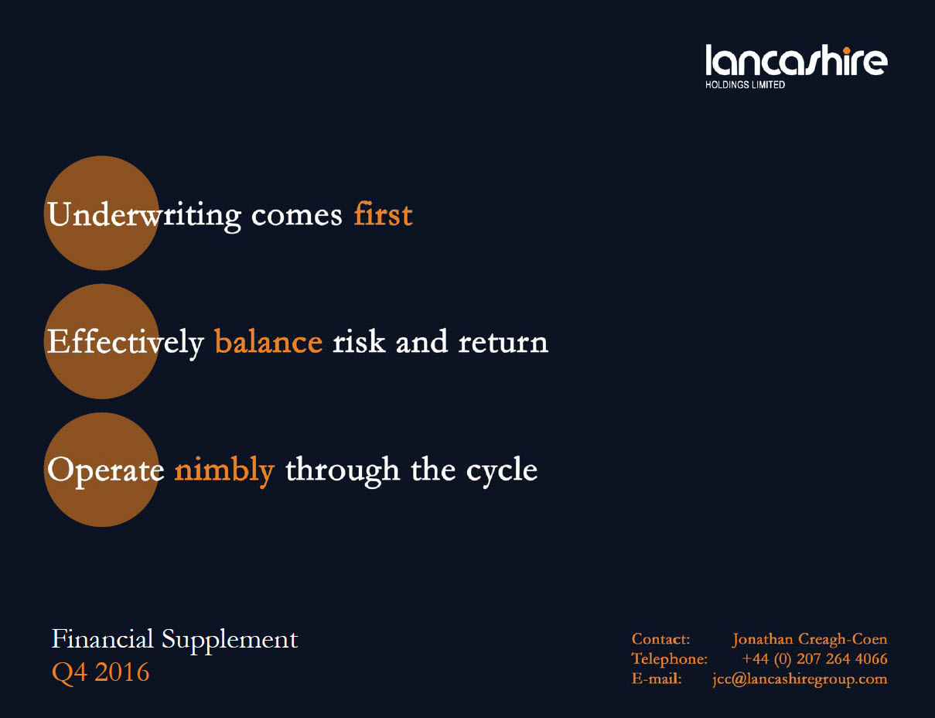

Compound growth graph
Lancashire Holdings Limited growth in fully converted book value per share plus dividends since inception

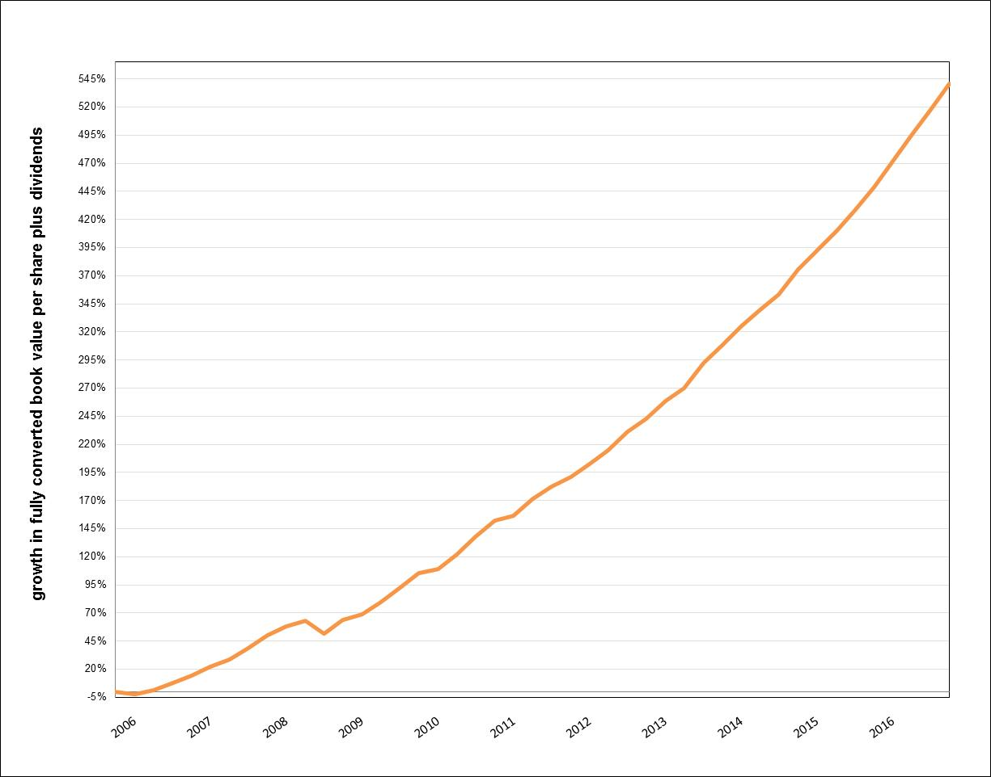

*growth in fully converted book value per share plus dividends since inception to Q4 2016

